Sheet1
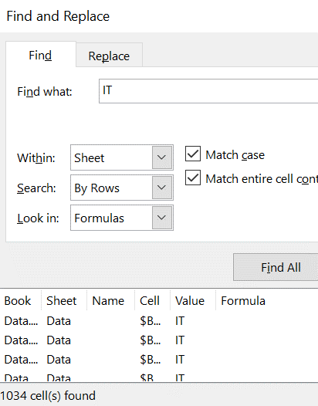

Row Labels | Count of 996
Accounting | 1019
Finance | 985
Human Resources | 1000
IT | 1033
Management | 1015
Marketing | 981
Operations | 1009
Purchasing | 974
Research and Development | 1007
Sales | 976
(blank)
Grand Total | 9999

the count of IT values in the pivot table is off by 1

